PC1250-8 (6245-C0-0020T3) (1)
PT SAPTAINDRA SEJATI
NAROGONG REBUILD CENTER

 | DELIVERY | MACHINE MODEL | PC1250-8 | ENGINE PART NO. |  |  | DOCUMENT NO. | RC/QR06/EG/24/06
 | INSPECTION SHEET | ENGINE MODEL | SAA6D170E-5 | WO ORDER NO. |  |  | PUBL. DATE | 7-Sep-10
ENGINE |  | ENGINE NO. |  | DELIVERY DATE |  |  | REVISION NO. | 01
 |  | CUSTOMER NAME |  |  |  |  | PAGE | 1 OF 2

: GOOD CONDITION
X : BAD CONDITION ⊗ : NONE
BELOW ARE THE ITEMS RELATED TO DELIVERY INSPECTION AND WHILE YOU DOING THIS INSPECTION JOB, PLEASE REFERRING
TO THE REMANUFACTURED COMPONENTS - STANDARD CONFIGURATION.

Right Side View
20
19
3
2
18
SKETCH DRAWING OR PHOTOES |  |  |  | NO. | ITEM |  |  | INSPECTION CONDITION
 |  |  |  | 1 | Painting ( Y / B )
 |  |  |  | 2 | Turbocharger ( P/N : 6502-51-5020 )
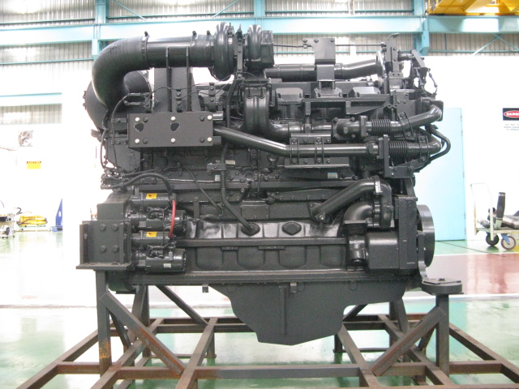
4
 |  |  |  |  | S/N :
5
17
 |  |  |  | 3 | Tube Support
16
 |  |  |  | 4 | Hose Air Cleaner
 |  |  |  | 5 | Water Temperature Sensor Assy
 |  |  |  | 6 | Cover Safety Exhaust Manifold (Heat Shield Assy)
6
7
 |  |  |  | 7 | Name Plate Engine KRI
 |  |  |  |  | If KAC Part Number As Mention Their PO
15
 |  |  |  |  | If KAC Remanufacturers ID is : S1390568
8
 |  |  |  | 8 | Starting Motor ( 11Kw ) ( P/N : 600-813-9511 )
14
 |  |  |  |  | Upper | S/N :
9
13
 |  |  |  |  | Lower | S/N :
10
11
12
 |  |  |  | 9 | Oil Cooler (2 pcs)
 |  |  |  | 10 | Tube Return Turbocharger
 |  |  |  | 11 | Oil Pan
Rear Side View
 |  |  |  | 12 | Valve Water Drain Cock
 |  |  |  | 13 | Water Inlet Cover Plate
21
 |  |  |  | 14 | Water Pump Assy
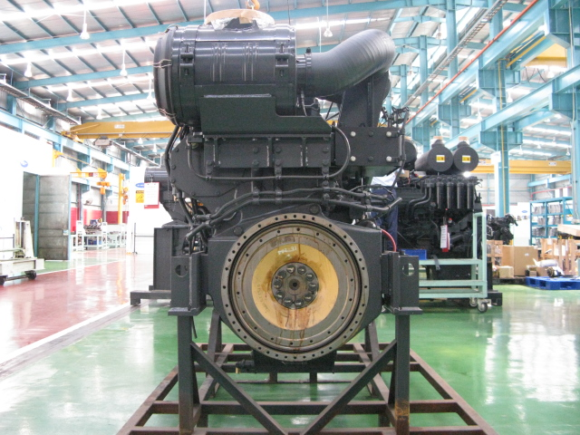
 |  |  |  | 15 | Tube Exhaust Gas EGR Re-Circulation
22
 |  |  |  | 16 | Thermostat Housing
 |  |  |  | 17 | Exhaust Manifold Assy
 |  |  |  | 18 | Tube Breather With Hose
23
27
 |  |  |  | 19 | Bracket Tube Breather
 |  |  |  | 20 | Exhaust Temperature Sensor
24
 |  |  |  | 21 | Air Cleaner
 |  |  |  | 22 | Bracket Air Cleaner
 |  |  |  | 23 | Flywheel Housing
 |  |  |  | 24 | Flywheel (P/N : 6245-31-1610)
 |  |  |  | 25 | Rear Bracket (2 pcs)
26
 |  |  |  | 26 | Engine Stand (Original / Std)
25
 |  |  |  |  | Stand No. :
 |  |  |  | 27 | Sensor Revolution Assy
 |  |  |  | 28 | Heat Tab Position
 |  |  |  | 29 | Customer Responsibilities Sticker
 |  |  |  | 30 | Caution Flywheel sticker
 |  |  |  | 31 | Caution Tag
 |  |  |  | 32 | Warning Sticker Oil Level
 |  |  |  | 33 | Quality passed Inspection Tag
 |  |  |  | 34 | Masking Condition
 |  |  |  | 35 | All rubber hoses not painting
 |  |  |  | 36 | All inside diameter pulley not painting
 |  |  |  | 37 | Stiker Attention Installation Report
 |  |  |  | 38 | RFID Tag, Traceability mounting bolt
 |  |  |  | 39 | Stiker Information Cleaner
 |  |  |  | 40 | Check Mounting Bolt (Rear Bracket & Front Support)
 |  |  |  |  | Std Tightening Torque : 15 kgm

Notes :

PC1250-8 (6245-C0-0020T3) (2)
PT SAPTAINDRA SEJATI
NAROGONG REBUILD CENTER
RECEIVING
 |  | DELIVERY | MACHINE MODEL | PC1250-8 | ENGINE PART NO. |  |  | DOCUMENT NO. | RC/QR06/EG/24/06
 |  | INSPECTION SHEET | ENGINE MODEL | SAA6D170E-5 | WO ORDER NO. |  |  | PUBL. DATE | 7-Sep-10
ENGINE |  |  | ENGINE NO. |  | DELIVERY DATE |  |  | REVISION NO. | 01
 |  |  | CUSTOMER NAME |  |  |  |  | PAGE | 2 OF 2

: GOOD CONDITION
X : BAD CONDITION ⊗ : NONE
BELOW ARE THE ITEMS RELATED TO DELIVERY INSPECTION AND WHILE YOU DOING THIS INSPECTION JOB, PLEASE REFERRING
TO THE REMANUFACTURED COMPONENTS - STANDARD CONFIGURATION.

Left Side View
41
67
44
43
42
66
65
SKETCH DRAWING OR PHOTOES |  |  |  |  | NO. | ITEM |  |  | INSPECTION CONDITION
 |  |  |  |  | 41 | Oil Pressure Sensor Assy
 |  |  |  |  | 42 | Oil Temperature Sensor Assy
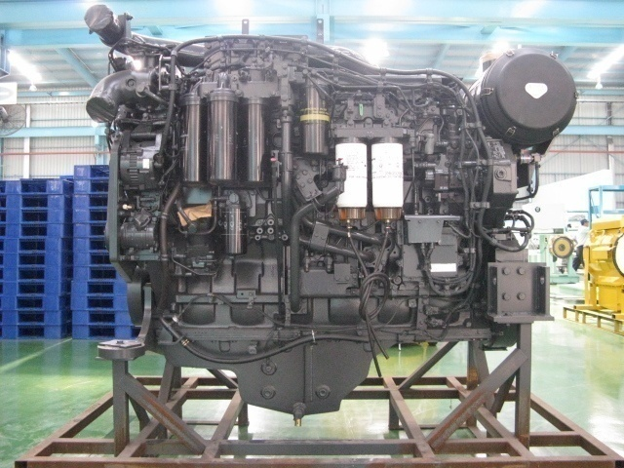
45
 |  |  |  |  | 43 | Oil Filter
64
 |  |  |  |  | 44 | Tube Air
46
 |  |  |  |  | 45 | Air Connector Intake Manifold
63
 |  |  |  |  | 46 | Alternator Assy (90A) (P/N : 600-861-9120)
47
62
 |  |  |  |  |  | S/N :
48
61
 |  |  |  |  | 47 | Bracket Belt Drive Guard
 |  |  |  |  | 48 | AC Compressor Assy
60
 |  |  |  |  | 49 | Air Compressor Assy (P/N : 6210-81-3122)
49
50
 |  |  |  |  |  | S/N :
 |  |  |  |  | 50 | Corrosion Resistor
51
53
58
 |  |  |  |  | 51 | Blowbay Sensor
52
54
56
57
59
 |  |  |  |  | 52 | Gauge Oil (STD : H+ 0~10 mm)
55
 |  |  |  |  |  | Act : H +………………..mm
 |  |  |  |  | 53 | Tube Oil Filer Cap
 |  |  |  |  | 54 | Oil Level Sensor
Front Side View
 |  |  |  |  | 55 | Drain Plug With Valve
68
 |  |  |  |  | 56 | Priming Pump Assy With Cover
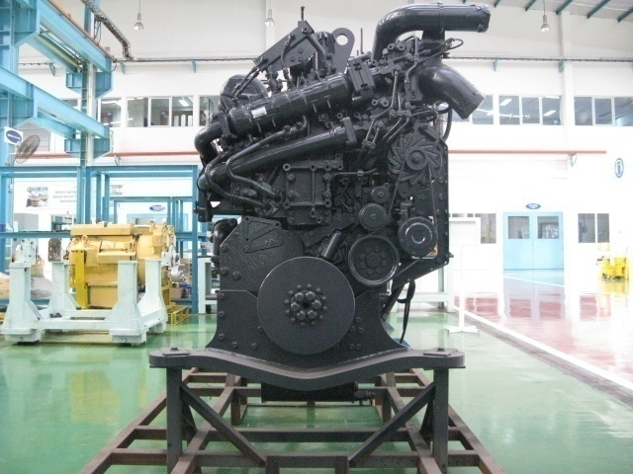
69
 |  |  |  |  | 57 | Tube Inlet
70
 |  |  |  |  | 58 | Tube Outlet
71
OIL LEVEL
 |  |  |  |  | 59 | Engine Controller With Cover
 |  |  |  |  |  | S/N | :
79
SIGN
 |  |  |  |  |  | ESN | :
 |  |  |  |  |  | Assy P/N | :
72
78
 |  |  |  |  | 60 | Fuel Pre Filter
77
 |  |  |  |  | 61 | Fuel Supply Pump Assy (P/N : 6245-71-1100)
73
 |  |  |  |  |  | S/N :
76
 |  |  |  |  | 62 | Feed Pump Assy
74
75
 |  |  |  |  | 63 | Dust Indicator
 |  |  |  |  | 64 | Engine Name Plate
 |  |  |  |  | 65 | Electrical Wiring Harness
 |  |  |  |  | 66 | Air Bleed Valve
 |  |  |  |  | 67 | Fuel Filter Assy
 |  |  |  |  | 68 | Front Hanger Plate
 |  |  |  |  | 69 | Tube Water Outlet
 |  |  |  |  | 70 | Cooler Mounting
 |  |  |  |  | 71 | Tube Water
 |  |  |  |  | 72 | Block Water Housing
 |  |  |  |  | 73 | Damper Assy (P/N : 6240-31-8100)
 |  |  |  |  | 74 | Front Support
 |  |  |  |  | 75 | Oil Pump Assy
 |  |  |  |  | 76 | Alternator Drive Pulley
 |  |  |  |  | 77 | Tensio Pulley Assy
 |  |  |  |  | 78 | V-belt Alternator
 |  |  |  |  | 79 | EGR Valve Assy
 |  |  |  |  |  | Upper S/N :
 |  |  |  |  |  | Lower S/N :

Notes :

 | Inspected by, |  |  |  |  |  |  | Approved by,

